Sheet1
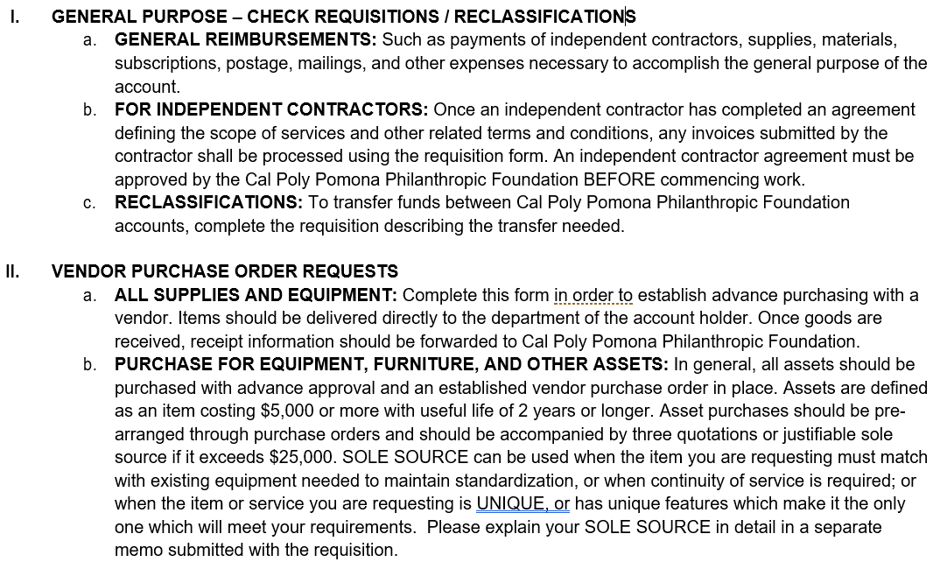
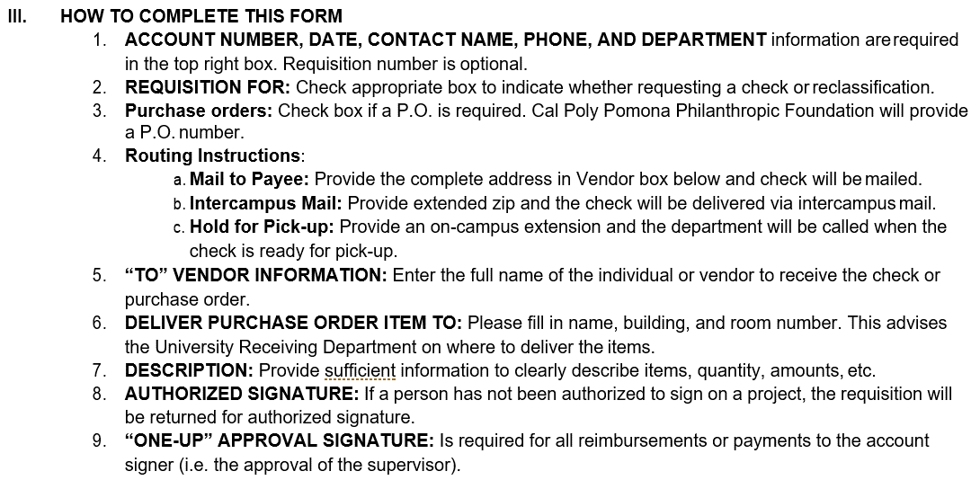
 | Cal Poly Pomona Philanthropic Foundation
 | REQUISITION / PURCHASE ORDER FORM
 | 3801 W Temple Ave, Bldg 55 Pomona, CA 91768 Ph: (909) 869-4997

Date: |  |  |  |  |  | (USE ONLY IF NUMBER IS NOT GENERATED AUTOMATICALLY)
Prepared By: |  |  | # | 485356
Phone:
Department:
 |  |  |  |  |  | Please click on the link below and enter the number that is generated on the webpage and enter it manually.
Purchase Order:
P.O. Number

To (Vendor): |  | Deliver Purchase Order Items To: (Name,Building, Room)
 |  |  |  |  |  | http://www.foundation.cpp.edu/Numbergenerator/getnumber_web.aspx

QUANTITY | DESCRIPTION |  |  |  | PROJECT/OBJECT CODE |  | UNIT PRICE | AMOUNT

 |  |  |  |  |  |  | TOTAL | -

REQUESTED BY | PRINT NAME: |  | SIGNATURE: |  |  |  | DATE:
PHONE:

AUTHORIZED SIGNER: | PRINT NAME: |  | SIGNATURE: |  |  |  | DATE:
PHONE:

 | REQUISITION / PURCHASE ORDER FORM

