UNDERGRADUATE
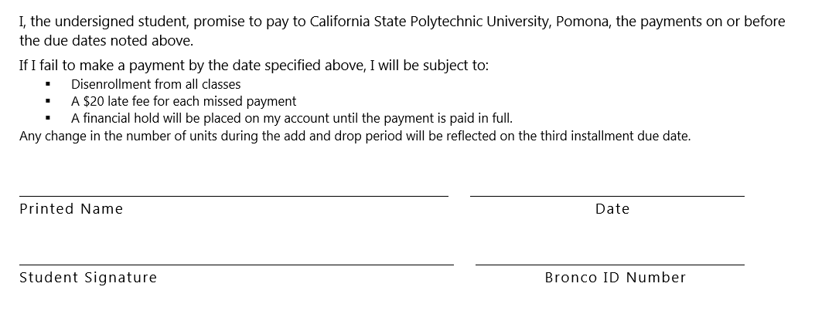
NON-RESIDENT STUDENT
REGISTRATION AND TUTITION
INSTALLMENT PAYMENT PLAN AGREEMENT
INSTRUCTIONS: Present this form in person to the Student Accounting & Cashiering Services by the term due date. This must be completed by the Student Accounting & Cashiering Services Representative. The Installment Payment Plan for nonresident students includes both a one-time $22 Administrative Fee plus 15% of the deferred portion of the tuition amount. This option is only available through the payment period following Priority Registration. It is not available during the ADD/DROP period. Non-Resident students normally pay the entire Registration and Tuition Fees plus $248 per unit. The three installment plan for non-resident students includes:

Term Quarter : SPRING 2017 UNITS |  |  | 12

UNDERGRADUATE | 0-6 | 6-> | Amount
 | $1,058.00 | $1,824.00
Half the Tuition Fee | 529.00 | 912.00 | 912.00
Full payment of Auxiliary Fees |  | 514.09 | 516.09
Full payment of Administrative Fee (NON REFUNDABLE) |  | 22.00 | 22.00
One-third of non-resident Tuition Fee |  | 248.00 | 992.00
Deferment Administrative Fee (15% of amount deferred) (NON REFUNDABLE) |  | 24.80 | 297.60
DUE BY MARCH 6, 2017 FIRST INSTALLMENT |  |  | 2,739.69

DUE BY APRIL 6, 2017 SECOND INSTALLMENT |  |  | 1,904.00

DUE BY MAY 7, 2017 THIRD/FINAL INSTALLMENT |  |  | 992.00

CREDENTIAL
NON-RESIDENT STUDENT
REGISTRATION AND TUTITION
INSTALLMENT PAYMENT PLAN AGREEMENT
INSTRUCTIONS: Present this form in person to the Student Accounting & Cashiering Services by the term due date. This must be completed by the Student Accounting & Cashiering Services Representative. The Installment Payment Plan for nonresident students includes both a one-time $22 Administrative Fee plus 15% of the deferred portion of the tuition amount. This option is only available through the payment period following Priority Registration. It is not available during the ADD/DROP period. Non-Resident students normally pay the entire Registration and Tuition Fees plus $248 per unit. The three installment plan for non-resident students includes:

Term Quarter : SPRING 2017 UNITS | 12

QUALIFIED TEACHER CREDENTIAL | Amount

Half the Tuition Fee | 1,058.00
Full payment of Auxiliary Fees | 516.09
Full payment of Administrative Fee (NON REFUNDABLE) | 22.00
One-third of non-resident Tuition Fee | 992.00
Deferment Administrative Fee (15% of amount deferred) (NON REFUNDABLE) | 297.60
DUE BY MARCH 6, 2017 FIRST INSTALLMENT | 2,885.69

DUE BY APRIL 6, 2017 SECOND INSTALLMENT | 2,050.00

DUE BY MAY 7, 2017 THIRD/FINAL INSTALLMENT | 992.00

GRADUATE
NON-RESIDENT STUDENT
REGISTRATION AND TUTITION
INSTALLMENT PAYMENT PLAN AGREEMENT
INSTRUCTIONS: Present this form in person to the Student Accounting & Cashiering Services by the term due date. This must be completed by the Student Accounting & Cashiering Services Representative. The Installment Payment Plan for nonresident students includes both a one-time $22 Administrative Fee plus 15% of the deferred portion of the tuition amount. This option is only available through the payment period following Priority Registration. It is not available during the ADD/DROP period. Non-Resident students normally pay the entire Registration and Tuition Fees plus $248 per unit. The three installment plan for non-resident students includes:

Term Quarter : SPRING 2017 UNITS |  |  |  | 12

GRADUATE | 0-6 | 6-> |  | Amount
 | $1,302.00 | $2,246.00
Half the Tuition Fee | $651.00 | $1,123.00 | 651.00 | 1,123.00
Full payment of Auxiliary Fees |  | $514.09 |  | 516.09
Full payment of Administrative Fee (NON REFUNDABLE) |  | $22.00 |  | 22.00
One-third of non-resident Tuition Fee |  | $248.00 |  | 992.00
Deferment Administrative Fee (15% of amount deferred) (NON REFUNDABLE) |  | $24.80 |  | 297.60
DUE BY MARCH 6, 2017 FIRST INSTALLMENT |  |  |  | 2,950.69

DUE BY APRIL 6, 2017 SECOND INSTALLMENT |  |  |  | 2,115.00

DUE BY MAY 7, 2017 THIRD/FINAL INSTALLMENT |  |  |  | 992.00

