Table 1
Inter-Departmental Transaction (IDT) / Inter-Company Transaction (ICT)
 |  |  |  |  |  Click Here for help filling out this form.
Prepared by: |  | Ext#
Dept/Division: |  | Date: |  |  |  |  | ATTENTION: If the tracking number is not generated, please follow instructions below.
Posting Month: |  | Form# |  |  | Click for form # |  | (USE ONLY IF NUMBER IS NOT GENERATED AUTOMATICALLY)
 |  |  |  |  |  |  | Please click on the link below and enter the number that is generated on the webpage and enter it manually.
Purpose/reason for the charges: |  |  |  |  |  |  | http://www.foundation.cpp.edu/Numbergenerator/getnumber_web.aspx
Section A: Account (s) to receive payment (Must be Philanthropic Acct) |  |  |  |  |  | (CREDIT)
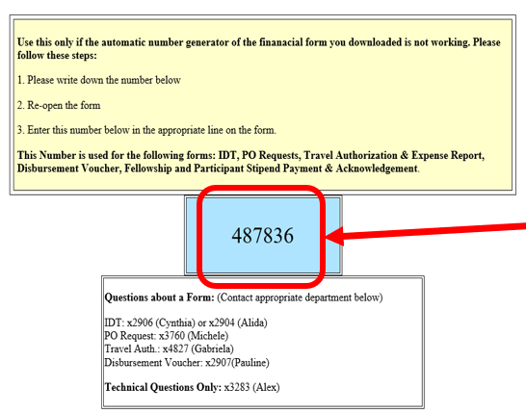
Description (Attach a list if more space is needed) |  |  |  | Project | Object | Amount

If number does not automatically populate click on the above website to get to the number generator, then write this number on the form# line
*Please attach backup documents and send to department to be billed* |  |  |  |  | Total: | $ 0.00
Project Authorized Signer
Print Name: |  | Signature: |  |  | Date:

Section B: Account (s) to be charged |  |  |  |  |  | (DEBIT)
Please checkbox(es) | Foundation (ICT) |  |  | Philanthropic (IDT)
Description (Attach a list if more space is needed) |  |  |  | Project | Object | Amount

*Please submit to Foundation, Building 55, A/R Department once completed* |  |  |  |  | Total: | $ 0.00
I/We certify that this interdepartmental transfer benefits the educational mission of the CSU and meet the policy requirements of the Education Code Section 89904.6, Section 9.2, Policy on Expenditure of Funds for CSU Auxiliary Organizations and is in compliance with the University Related Project Agreement. I/We also certify that the item(s) above has/have been received and/or service(s) has/have been performed to the satisfaction required, if applicable, and that the items and/or services are in compliance with the terms and conditions of the grant and/or contract, if applicable.
Project Authorized Signer - (2nd signature required if amount is over $5,000 & IDT box is checked)
Print Name: |  | Signature: |  |  | Date:
Print Name: |  | Signature: |  |  | Date:
Accounting Use Only:
Internal Manager Approval: |  |  | Philanthropic Approval:
Signature: |  | Date: | Signature: |  |  | Date:
Vendor Number: F69253 (PHIL Foundation) |  |  | Date: |  | Initials:

Once forms is completed please email form to Foundation Accounts Receivables Department for processing. IDT -> Cynthia Delgado – csdelgado@cpp.edu ICT -> Julieta Ballesteros - julietab@cpp.edu Or -> foundationar@cpp.edu

Inter-Departmental Transaction (IDT) | Transfer funds between different departments within the same company i.e. Foundation > Foundation Philanthropic > Philanthropic

Inter-Company Transaction (ICT) | Transfer funds between different companies i.e. Foundation > Philanthropic Philanthropic > Foundation

Foundation Form (will have Foundation's logo on form) – Use if “Section A” Acct is a Foundation Acct
Philanthropic Form (will have Philanthropics logo on form) – Use if “Section A” Acct is a Philanthropic Acct
How to fill out “Information Section"

Requester Name
Requester ext.

Name of Dept or Division
Current date

Transaction posted MONTH
Number will populate when form is open.
If number DOES NOT populate follow the instruction above.

Event, meeting, reason name, etc.

How to fill out “Section A”

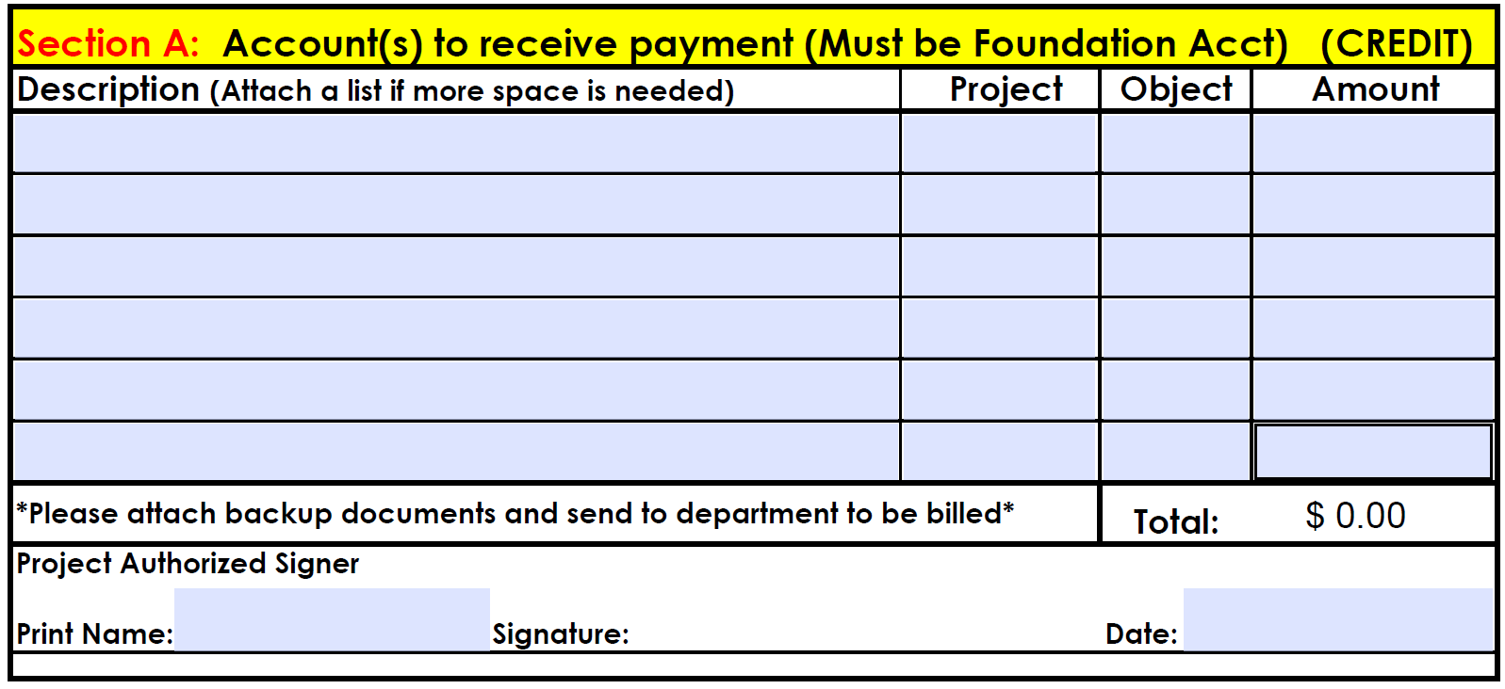

Description of itemized charges

Object Code
Project Code
Dollar Amount

Name, signature & date fo the authoirzed project signer

How to fill out “Section B”

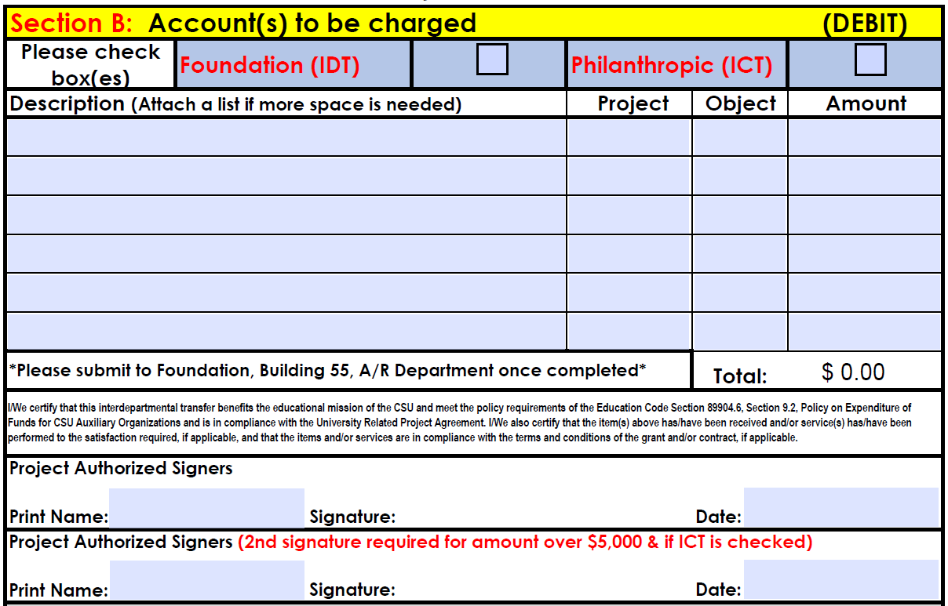
Check the organization your account is with

Object Code
Project Code
Dollar Amount
Description of itemized charges

Name, signature & date fo the authoirzed project signer

