Instructions
Instructions for filling out the progress report:

1. Write in your full name and Bronco Student ID at the top.
2. Write in the number of remaining GE units on the upper right. In order to find this number, follow the steps below.
a. | Log into your Bronco Direct account.
b. | Within the Student Center, go to the Academics menu. Select "other academic…" and pick "Degree Progress Report."

c. | Scroll down to the General Education Requirements menu and read the bullet point below "GE REQUIREMENTS."

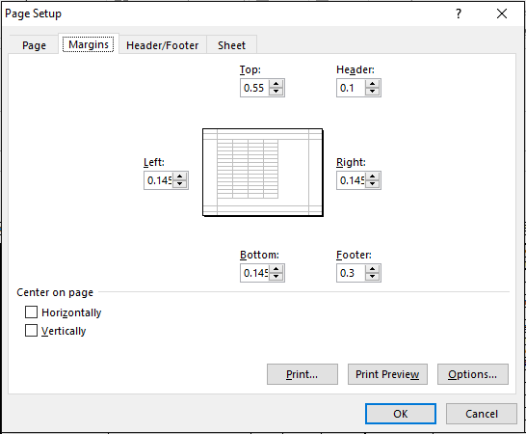
 | Specifically, we want the number of units needed. A figure is shown below.
d. | Using this number, fill in the "# GE Units Remaining" at the top of the page.

 | NOTE: Students are encouraged to ensure that their American Institutions/Cultural Perspectives requirements overlap with their regular coursework. For more information, please visit:

 | http://catalog.cpp.edu/preview_program.php?catoid=4&poid=1006

3. Fill in the grade(s) for each course and quarter in which the course was taken. The spreadsheet will calcuate the units for you. When indicating which semester a course was taken, use either F=Fall, Sp=Spring or Su=Summer, followed by the year (Ex: Fall 2018 = F2018). For additional elective courses, please also list the course number and units. List only classes you have previously taken or are currently enrolled in. Use A, B, C, D, F, or IP (In Progress) as input for grades.

4. To change the format for printing:
a. | Select the "Page Layout" tab.
b. | Change "Orientation" to "Landscape"
c. | Select the "Margins" subtab and click on "Custom Margins" and change them to match the figure to the right.

5. Print out only the "Progress Report" page and bring in to your academic advisor.

NOTE: This spreadsheet is a tool for faculty and only an estimate of each students' progress to graduation. Please refer to BroncoDirect for the most accurate representation of your progress.

