UNDERGRADUATE
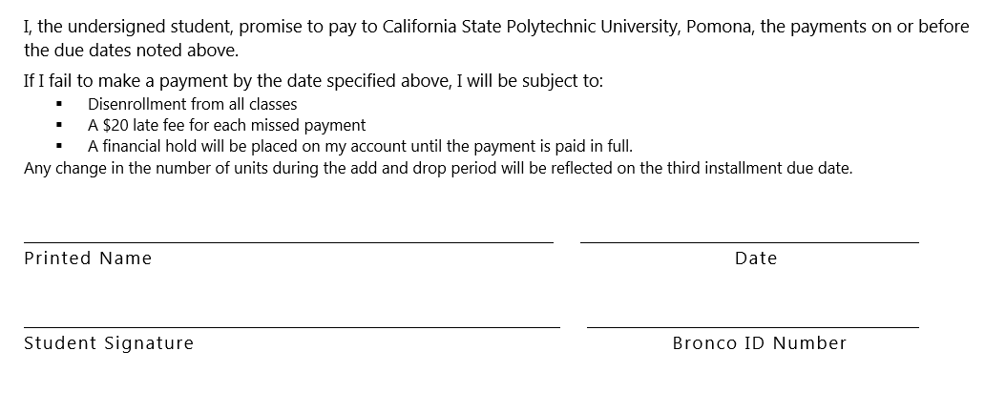
NON-RESIDENT STUDENT
REGISTRATION AND TUTITION
INSTALLMENT PAYMENT PLAN AGREEMENT
INSTRUCTIONS: Present this form in person to the Student Accounting & Cashiering Services by the term due date. This must be completed by the Student Accounting & Cashiering Services Representative. The Installment Payment Plan for nonresident students includes both a one-time $22 Administrative Fee plus 15% of the deferred portion of the tuition amount. This option is only available through the payment period following Priority Registration. It is not available during the ADD/DROP period. Non-Resident students normally pay the entire Registration and Tuition Fees plus $264 per unit. The three installment plan for non-resident students includes:

Term Quarter : SPRING 2018 UNITS |  |  | 12

UNDERGRADUATE | 0-6 | 6-> | Amount
 | $1,110.00 | $1,914.00
Half the Tuition Fee | 555.00 | 957.00 | 957.00
Full payment of Auxiliary Fees |  | 519.13 | 519.13
Full payment of Administrative Fee (NON REFUNDABLE) |  | 22.00 | 22.00
One-third of non-resident Tuition Fee |  | 264.00 | 1,056.00
Deferment Administrative Fee (15% of amount deferred) (NON REFUNDABLE) |  | 26.40 | 316.80
DUE BY March 5, 2018 FIRST INSTALLMENT |  |  | 2,870.93

DUE BY April 5, 2018 SECOND INSTALLMENT |  |  | 2,013.00

DUE BY May 5, 2018 THIRD/FINAL INSTALLMENT |  |  | 1,056.00

CREDENTIAL
NON-RESIDENT STUDENT
REGISTRATION AND TUTITION
INSTALLMENT PAYMENT PLAN AGREEMENT
INSTRUCTIONS: Present this form in person to the Student Accounting & Cashiering Services by the term due date. This must be completed by the Student Accounting & Cashiering Services Representative. The Installment Payment Plan for nonresident students includes both a one-time $22 Administrative Fee plus 15% of the deferred portion of the tuition amount. This option is only available through the payment period following Priority Registration. It is not available during the ADD/DROP period. Non-Resident students normally pay the entire Registration and Tuition Fees plus $264 per unit. The three installment plan for non-resident students includes:

Term Quarter : SPRING 2018 UNITS | 12

QUALIFIED TEACHER CREDENTIAL | Amount

Half the Tuition Fee | 1,110.00
Full payment of Auxiliary Fees | 519.13
Full payment of Administrative Fee (NON REFUNDABLE) | 22.00
One-third of non-resident Tuition Fee | 1,056.00
Deferment Administrative Fee (15% of amount deferred) (NON REFUNDABLE) | 316.80
DUE BY March 5, 2018 FIRST INSTALLMENT | 3,023.93

DUE BY April 5, 2018 SECOND INSTALLMENT | 2,166.00

DUE BY May 5, 2018 THIRD/FINAL INSTALLMENT | 1,056.00

GRADUATE
NON-RESIDENT STUDENT
REGISTRATION AND TUTITION
INSTALLMENT PAYMENT PLAN AGREEMENT
INSTRUCTIONS: Present this form in person to the Student Accounting & Cashiering Services by the term due date. This must be completed by the Student Accounting & Cashiering Services Representative. The Installment Payment Plan for nonresident students includes both a one-time $22 Administrative Fee plus 15% of the deferred portion of the tuition amount. This option is only available through the payment period following Priority Registration. It is not available during the ADD/DROP period. Non-Resident students normally pay the entire Registration and Tuition Fees plus $264 per unit. The three installment plan for non-resident students includes:

Term Quarter : SPRING 2018 UNITS |  |  | 12

GRADUATE | 6-> |  | Amount
 | $2,392.00
Half the Tuition Fee | $1,196.00 | 651.00 | 1,196.00
Full payment of Auxiliary Fees | $514.09 |  | 519.13
Full payment of Administrative Fee (NON REFUNDABLE) | $22.00 |  | 22.00
One-third of non-resident Tuition Fee | $264.00 |  | 1,056.00
Deferment Administrative Fee (15% of amount deferred) (NON REFUNDABLE) | $26.40 |  | 316.80
DUE BY March 5, 2018 FIRST INSTALLMENT |  |  | 3,109.93

DUE BY April 5, 2018 SECOND INSTALLMENT |  |  | 2,252.00

DUE BY May 5, 2018 THIRD/FINAL INSTALLMENT |  |  | 1,056.00

